1801M
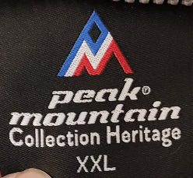 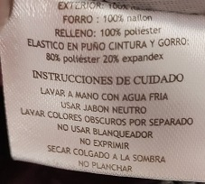 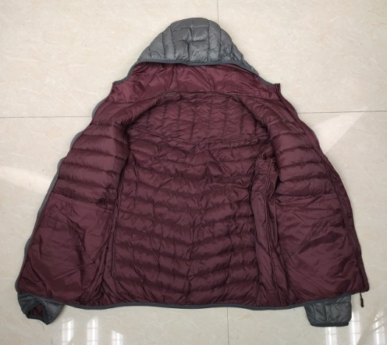
MEN'S PADDED JACKET WITH FIX HOODY |  |  |  |  |  | STYLE NO:1801M
QTY: 5040PCS |  | 28PCS/CTN |  |  |  |  | 2019.12.16
SHELL:100% NYLON 20D; LINING: 100%NYLON 20D |  |  |  |  |  |  | WZH
SIZE | S | M | L | XL | 2XL | TOTAL | 197612
BLACK(LINING:WINE RED) | 180 | 360 | 360 | 180 | 180 | 1260
D.BLUE(LINING:ORANGE) | 180 | 360 | 360 | 180 | 180 | 1260
MUSTARD(LINING:D.BLUE) | 180 | 360 | 360 | 180 | 180 | 1260
GRAY(LINING:WINE RED) | 180 | 360 | 360 | 180 | 180 | 1260
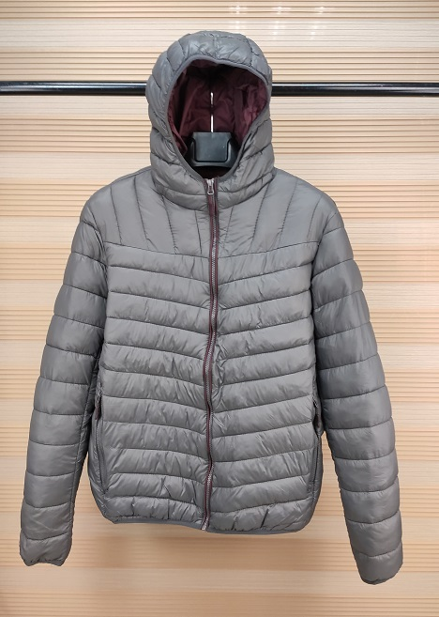 \

SIZE SPEC（Unit:CM） | S | M | L | XL | 2XL
胸围 CHEST | 52 | 54 | 56 | 58 | 60
后中长 CBL |  |  |  |  | 64
袖长 SLEEVE |  |  |  |  | 65
袖笼 ARMHOLE |  |  |  |  | 23
袖口 CUFF |  |  |  |  | 11
肩宽 SHOULDER |  |  |  |  | 45
下摆 BOTTON |  |  |  |  | 48

1802L
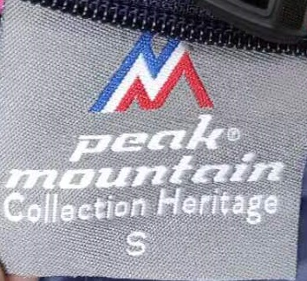 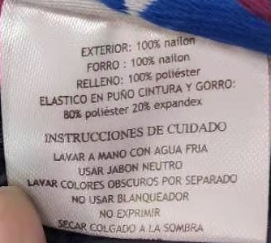 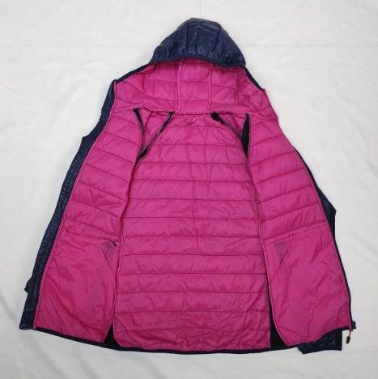
LADIES PADDED JACKET WITH FIX HOODY |  |  |  |  | STYLE NO:1802L
QTY: 5040PCS |  | 30PCS/CTN |  |  |  | 2019.12.16
SHELL:100% NYLON 20D; LINING: 100%NYLON 20D |  |  |  |  |  | WZH
SIZE | S | M | L | XL | TOTAL | 197612
BLACK(LINING:MUSTRAD) | 168 | 336 | 336 | 168 | 1008
NAVY(ROSE RED) | 168 | 336 | 336 | 168 | 1008
GINGER(NAVY) | 168 | 336 | 336 | 168 | 1008
WINE RED(ROSE RED) | 168 | 336 | 336 | 168 | 1008
ROSE RED(NAVY) | 168 | 336 | 336 | 168 | 1008
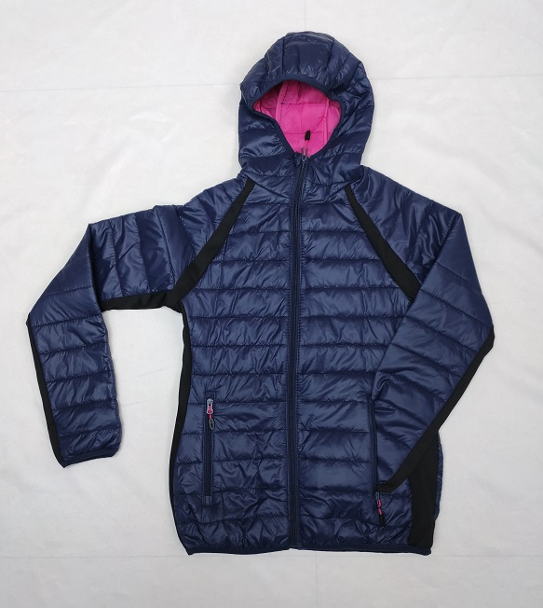 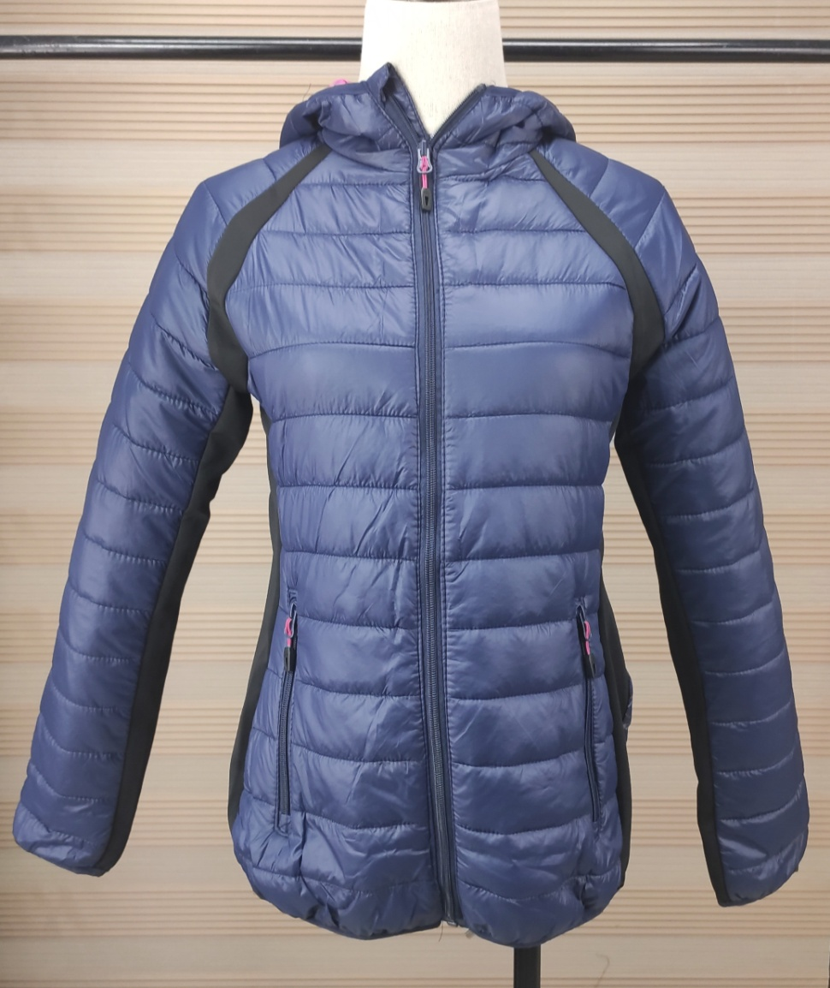

SIZE SPEC（Unit:CM） | S | M | L | XL
胸围 CHEST | 45 | 47 | 49 | 51
后中长 CBL | 62 | 63 | 64 | 65
袖长 SLEEVE | 79 | 80 | 81 | 82
袖笼 ARMHOLE
袖口 CUFF | 9 | 9.5 | 10 | 10.5
肩宽 SHOULDER
下摆 BOTTON | 39 | 41 | 43 | 45

